All - Annual Summary
All Audit Levels - Annual Summary
Summary for Existing Building |  |  |  |  | user input
 |  |  |  |  | calculated
Imported Energy (Eimp)
Energy Breakdown by Fuel Type
Electricity | 0
Natural Gas | 0
Purchased Steam | 0
Purchased Hot Water | 0
Purchased Chilled Water | 0
Oil | 0
Propane | 0
Coal | 0
On-Site Generated - Thermal | 0
On-Site Generated - Electricity | 0
Exported - Thermal | 0
Exported - Electricity | 0
Energy Type | Total Annual Use | Units | Conversion Multiplier | Megajoule (MJ) | Total Annual Cost ($)
Electricity | - | kWh | 3.6 | 0 | $-
Natural Gas | - | cubic feet (NG) |  |  | $-
Purchased Steam | - | lbs District Steam (15 psig) dumped after use |  |  | $-
Purchased Hot Water | - | kWh | 3.6 | 0 | $-
Purchased Chilled Water | - | MMBtu | 1055.1 | 0 | $-
Oil | - | gallons (Fuel Oil #2) |  |  | $-
Propane | - | gallons (Propane) |  |  | $-
Coal | - | short ton (coal) |  |  | $-
 |  |  | Eimp Total | - | $-
On-Site Renewable Energy Production (Eg)
Energy Cost Breakdown by Fuel Type
Electricity | $-
Natural Gas | $-
Purchased Steam | $-
Purchased Hot Water | $-
Purchased Chilled Water | $-
Oil | $-
Propane | $-
Coal | $-
On-Site Generated - Thermal | $-
On-Site Generated - Electricity | $-
Exported - Thermal | $-
Exported - Electricity | $-
Energy Type | Total Annual Use | Units | Conversion Multiplier | Megajoule (MJ) | Total Annual Cost ($)
On-Site Generated - Thermal | - | MMBtu | 1055.1 | 0 | $-
On-Site Generated - Electricity | - | kWh | 3.6 | 0 | $-
 |  |  | Eg Total | - | $-
Exported Energy (Eexp)
Energy Type | Total Annual Use | Units | Conversion Multiplier | Megajoule (MJ) | Total Annual Cost ($)
Exported - Thermal | - | MMBtu | 1055.1 | 0 | $-
Exported - Electricity | - | kWh | 3.6 | 0 | $-
 |  |  | Eexp Total | - | $-
Existing Building EUI/ECI |  |  | ES Total |  | [if applicable]
Building Name | be.mainDetails
Gross Conditioned Square Meters | be.fa.oneOfType
EUI [building] (MJ/sqm/yr) | #VALUE!
EUI [site] (MJ/sqm/yr) | #VALUE!
Site ECI (energy cost index or $/sqm/yr) | #VALUE!
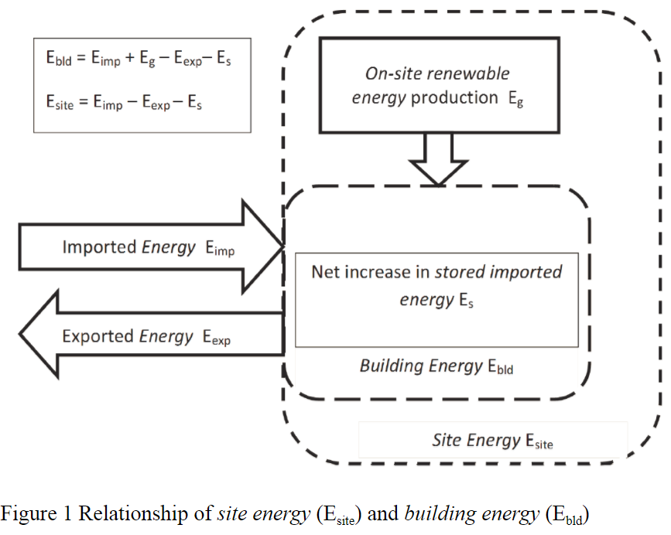
*EUI: Energy Use Intensity
Benchmarking & Target EUI/ECI
Benchmark Source
Benchmark EUI (MJ/sqm/yr)
Target EUI [building] (MJ/sqm/yr)
Establish either an EUI or ECI target in consultation with building owner.
Target EUI [site] (MJ/sqm/yr)
Target ECI [site] ($/sqm)
Annual Energy Savings to Reach Target |  | MJ
Annual Cost Savings to Reach Target |  | (if available)

Notes

All - Graphs
All Audit Levels - Sample Energy Graphs | [for use in graphs - do not print]
These graphs are samples only - not required formats. | Titles
Choose the presentation of data that is the most useful for your site. | Electricity [kWh/day]
2/1/10 | -
3/1/10 | -
4/1/10 | -
5/1/10 | -
6/1/10 | -
7/1/10 | -
8/1/10 | -
9/1/10 | -
10/1/10 | -
11/1/10 | -
12/1/10 | -
1/1/11 | -
 | Natural Gas [cubic meters (NG)/day]
 | Purchased Steam [kgs District Steam/day]

2/1/10 | -
3/1/10 | -
4/1/10 | -
5/1/10 | -
6/1/10 | -
7/1/10 | -
8/1/10 | -
9/1/10 | -
10/1/10 | -
11/1/10 | -
12/1/10 | -
1/1/11 | -

2/1/10 | -
3/1/10 | -
4/1/10 | -
5/1/10 | -
6/1/10 | -
7/1/10 | -
8/1/10 | -
9/1/10 | -
10/1/10 | -
11/1/10 | -
12/1/10 | -
1/1/11 | -

 | Electricity MJ/day | Natural Gas MJ/day | Purchased Steam MJ/day
2/1/10 | 0 | 0 | 0
3/1/10 | 0 | 0 | 0
4/1/10 | 0 | 0 | 0
5/1/10 | 0 | 0 | 0
6/1/10 | 0 | 0 | 0
7/1/10 | 0 | 0 | 0
8/1/10 | 0 | 0 | 0
9/1/10 | 0 | 0 | 0
10/1/10 | 0 | 0 | 0
11/1/10 | 0 | 0 | 0
12/1/10 | 0 | 0 | 0
1/1/11 | 0 | 0 | 0

 | Electricity Cost ($) | Natural Gas Cost ($) | Purchased Steam Cost ($)
End Date
2/1/10
3/1/10
4/1/10
5/1/10
6/1/10
7/1/10
8/1/10
9/1/10
10/1/10
11/1/10
12/1/10
1/1/11

L2 - End Use Breakdown
Level 2 Audit - End Use Breakdown |  |  |  |  |  | Predefined End Use Breakdown Charts
This table is used to: |  |  |  |  | user input | Use these or create your own as appropriate - may need adjustment to fit your site or building. | Notes
1) compile end use energy estimates and; |  |  |  |  | calculated |  | QA/QC Checks will not work properly if there are duplicate end use types in a single table
 | Electricity
2) verify that base case energy use estimates align with historical energy use. NOTE – End use breakdown values should reflect building operation under long term weather normalized conditions, and thus may differ from historical energy use when there is a difference between long term weather data and the period in which the historical energy use is referenced

Utility #1 | Electricity

Units | kWh
MJ/unit | 3.6 | End Use Summary
End Use (customize for subject building, items below include potential areas) | Electricity | End Use (customize for subject building, items below include potential areas) | Total MJ | % of Total MJ
 |  | Space Heating | 0 | #DIV/0!
 |  | Space Cooling | 0 | #DIV/0!
 |  | Air Distribution (fans) | 0 | #DIV/0!
 |  | SHW/DHW | 0 | #DIV/0!
 |  | Conveyance | 0 | #DIV/0!
 |  | Lighting | 0 | #DIV/0!
 |  | Plug Loads | 0 | #DIV/0!
 |  | Process Loads | 0 | #DIV/0!
 |  | Refrigeration | 0 | #DIV/0!
 |  | Cooking | 0 | #DIV/0!
 |  | Information Technology | 0 | #DIV/0!
 | Purchased Steam
 | Natural Gas
 |  | Other | 0 | #DIV/0!
Total | 0 | Total | 0 | #DIV/0!
Total from (annual summary) | 0 | Total from (annual summary) | 0
Adjustment for On-Site Gen |  | Adjustment for On-Site Gen | #VALUE!
Adjusted Total w/ Generation | - | Adjusted Total w/ Generation | #VALUE!
Difference | 0 | Difference | #VALUE!
% Difference | #DIV/0! | % Difference | #VALUE!

Utility #2 | Natural Gas
 |  | ** An individual end-use system that consumes less than 5% of the total annual building energy consumption need not be recorded for the purposes of the audit but may be included in an “Other” category.
Units | cubic meters (NG)
MJ/unit | 38.4
End Use (customize for subject building, items below include potential areas) | Natural Gas

Total | 0
Total from (annual summary) | 0
Adjustment for On-Site Gen
Adjusted Total w/ Generation | -
Difference | 0
% Difference | #DIV/0!

Utility #3 | Purchased Steam

Units | kgs District Steam
MJ/unit | 2.7773
End Use (customize for subject building, items below include potential areas) | Purchased Steam

Total | 0
Total from (annual summary) | 0
Adjustment for On-Site Gen
Adjusted Total w/ Generation | -
 | Coal
Difference | 0
% Difference | #DIV/0!

Delivered Energy Type | Coal

Units | short ton (coal)
kBTU/Unit
End Use (customize for subject building, items below include potential areas) | Coal

Total | 0
Total from (annual summary) | 0
Adjustment for On-Site Gen
Adjusted Total w/ Generation | -
Difference | 0
% Difference | #DIV/0!

Asset Score Inputs (optional)
Asset Score Inputs

This tab contains all of the additional minimum required data fields necessary to generate an Energy Asset Score using the Full Input Mode of the tool. This tab may be used to score predominantly single-use type buildings with a single type of HVAC system.
 |  |  |  | Option 1
 | Building Geometry |  |  | Glazing area, approx % of exposed wall area [10, 25, 50, 75, 90, 100]*
 | Floor to Floor Height |  |  |  | North
 | Floor to Ceiling Height |  |  |  | South
 | Orientation |  |  |  | East
 |  |  |  | Option 2 | West
 |  |  |  | Provide building footprint dimernsions and approximate window to wall ratio for each side.
 | Building Footprint Dimensions

 | Rectangular Shape |  |  | Rectangular Shape
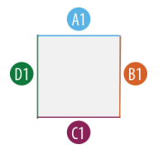
 |  | Surface ID | Length (ft) |  | Surface ID | Length (ft) | Glazing Area %
 |  | A1 |  |  | A1
 |  | B1 |  |  | B1
 |  | C1 |  |  | C1
 |  | D1 |  |  | D1

 | H-Shape |  |  | H-Shape

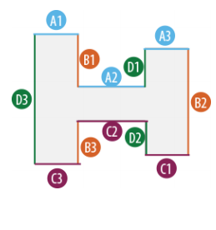
 |  | Surface ID | Length (ft) |  | Surface ID | Length (ft) | Glazing Area %
 |  | A1 |  |  | A1
 |  | A2 |  |  | A2
 |  | A3 |  |  | A3
 |  | B1 |  |  | B1
 |  | B2 |  |  | B2
 |  | B3 |  |  | B3
 |  | C1 |  |  | C1
 |  | C2 |  |  | C2
 |  | C3 |  |  | C3
 |  | D1 |  |  | D1
 |  | D2 |  |  | D2
 |  | D3 |  |  | D3

 | L-Shape |  |  | L-Shape

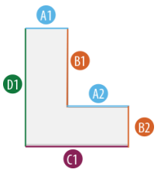
 |  | Surface ID | Length (ft) |  | Surface ID | Length (ft) | Glazing Area %
 |  | A1 |  |  | A1
 |  | A2 |  |  | A2
 |  | B1 |  |  | B1
 |  | B2 |  |  | B2
 |  | C1 |  |  | C1
 |  | D1 |  |  | D1

 | T-Shape |  |  | T-Shape
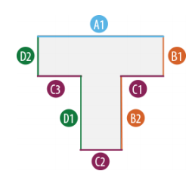
 |  | Surface ID | Length (ft) |  | Surface ID | Length (ft) | Glazing Area %
 |  | A1 |  |  | A1
 |  | B1 |  |  | B1
 |  | B2 |  |  | B2
 |  | C1 |  |  | C1
 |  | C2 |  |  | C2
 |  | C3 |  |  | C3
 |  | D1 |  |  | D1
 |  | D2 |  |  | D2

 | U-Shape |  |  | U-Shape

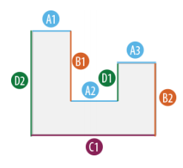
 |  | Surface ID | Length (ft) |  | Surface ID | Length (ft) | Glazing Area %
 |  | A1 |  |  | A1
 |  | A2 |  |  | A2
 |  | A3 |  |  | A3
 |  | B1 |  |  | B1
 |  | B2 |  |  | B2
 |  | C1 |  |  | C1
 |  | D1 |  |  | D1
 |  | D2 |  |  | D2

